Example 2
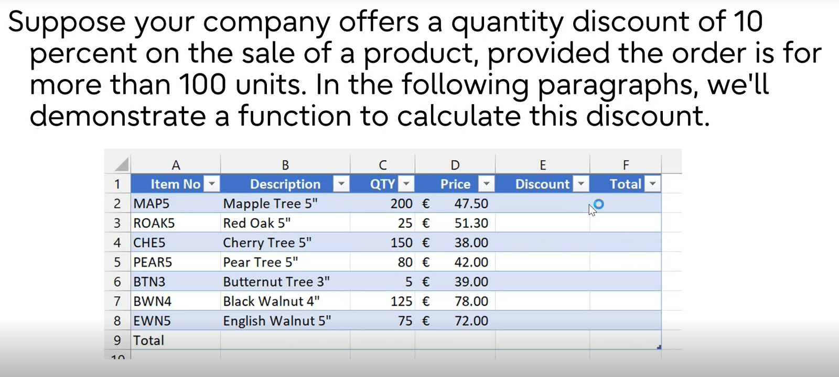
Item No | Description | QTY | Price | Discount | Total
MAP5 | Mapple Tree 5" | 200 | € 47.50 | 950 | € 8,550.00
ROAK5 | Red Oak 5" | 25 | € 51.30 | 0 | € 1,282.50
CHE5 | Cherry Tree 5" | 150 | € 38.00 | 570 | € 5,130.00
PEAR5 | Pear Tree 5" | 80 | € 42.00 | 0 | € 3,360.00
BTN3 | Butternut Tree 3" | 5 | € 39.00 | 0 | € 195.00
BWN4 | Black Walnut 4" | 125 | € 78.00 | 975 | € 8,775.00
EWN5 | English Walnut 5" | 75 | € 72.00 | 0 | € 5,400.00
Total |  |  |  | 0 | € 32,692.50 | 28:17:00

Example 3
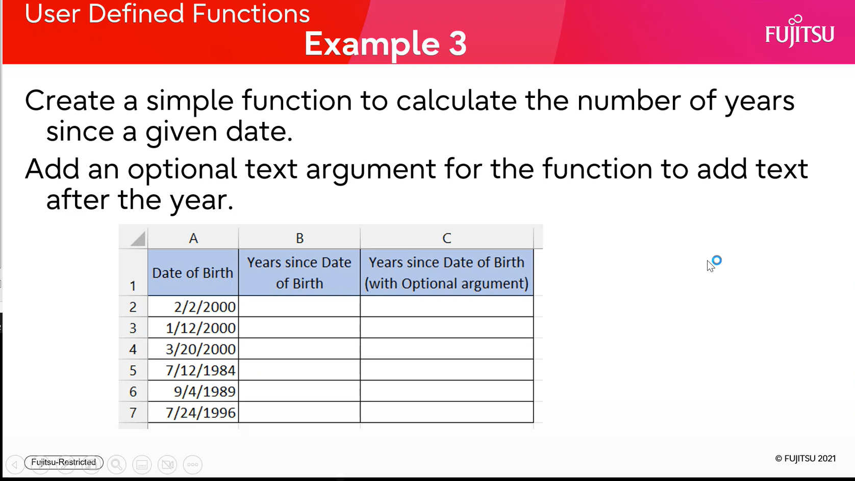
Date of Birth | Years since Date of Birth | Years since Date of Birth (with Optional argument)
2000-02-02 | 22 | 22 years old
2000-01-12 | 22 | 22 years old
2000-03-20 | 22 | 22 years old
1984-07-12 | 38 | 38 years old
1989-09-04 | 33 | 33 years old
1996-07-24 | 26 | 26 years old

Example 4
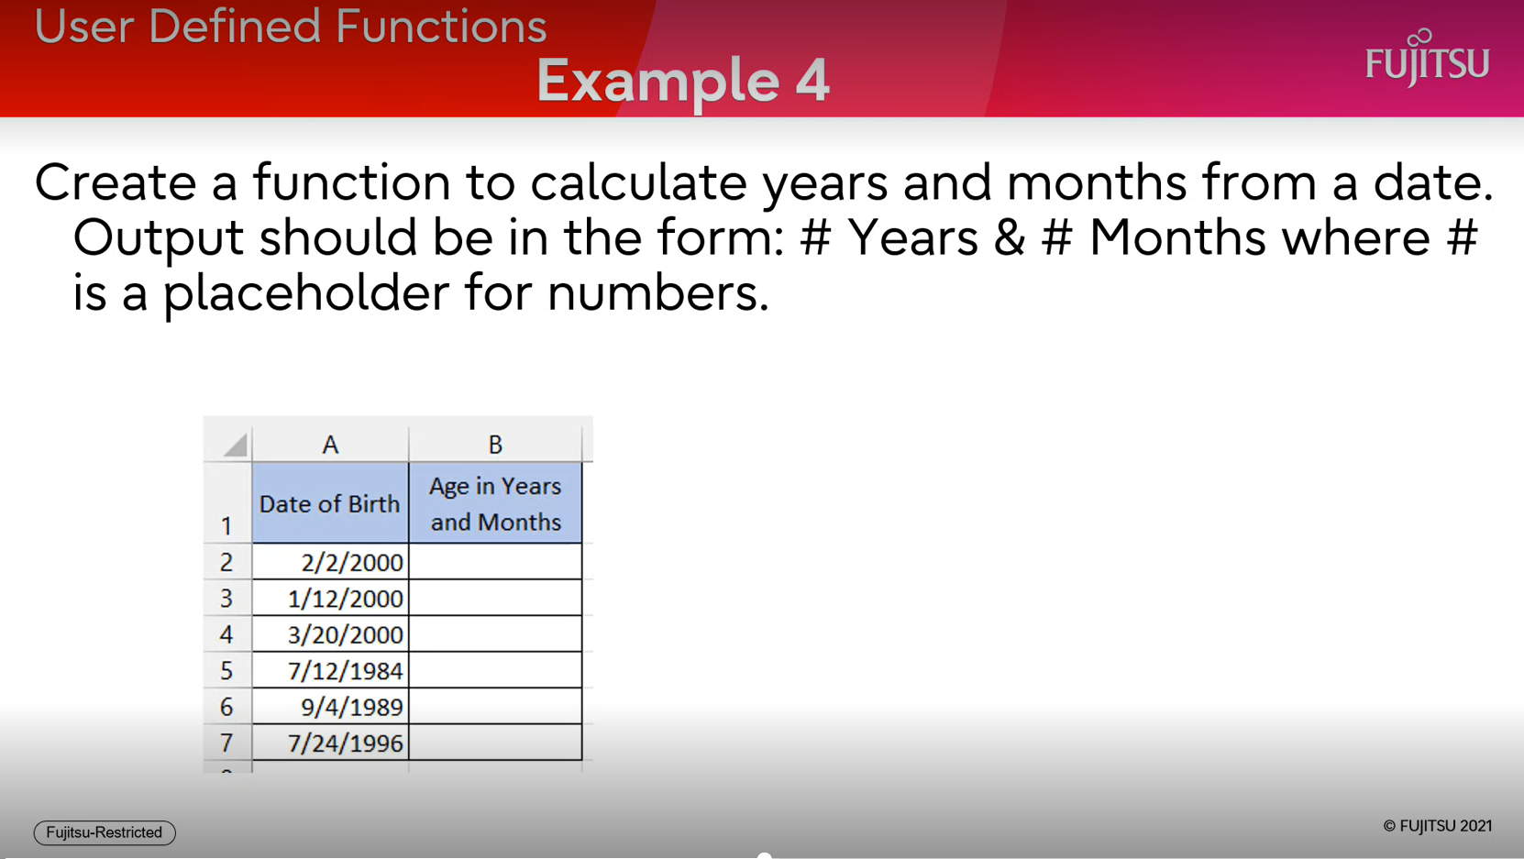
Date of Birth | Age in Years and Months
2000-02-02 | 22 Years & 9 Months
2000-01-12 | 22 Years & 10 Months
2000-03-20 | 22 Years & 8 Months
1984-07-12 | 38 Years & 4 Months
1989-09-04 | 33 Years & 2 Months
1996-07-24 | 26 Years & 4 Months

Example 5
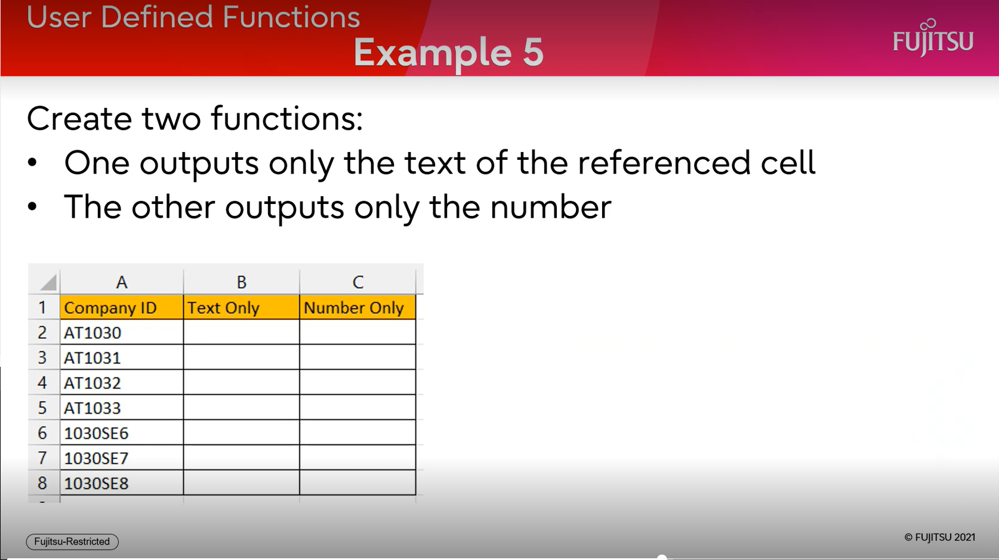
Company ID | Text Only | Number Only
AT1030 | AT | 1030
AT1031 | AT | 1031
AT1032 | AT | 1032
AT1033 | AT | 1033
1030SE6 | SE | 10306
1030SE7 | SE | 10307
1030SE8 | SE | 10308

